Sheet1
Product name | Photo | Material | color | Size | FOB(Tianjin) | Description
karate uniform with belt |  | twill 80/20PC | white | 100cm | KWD10.00 | woven, color , corner label
 |  |  |  | 110cm | KWD10.00
 |  |  |  | 120cm | KWD10.00
 |  |  |  | 130cm | KWD10.00
 |  |  |  | 140cm | KWD10.00
 |  |  |  | 150cm | KWD10.00
 |  |  |  | 160cm | KWD10.00
 |  |  |  | 170cm | KWD10.00
 |  |  |  | 180cm | KWD10.00

boxing gloves | 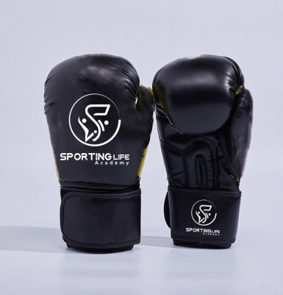 | Microfiber PU | black | 6OZ | KWD10.00 | back of hand and wrist printing white
 |  |  |  | 8OZ | KWD10.00
 |  |  |  | 10OZ | KWD10.00
 |  |  |  | 12OZ | KWD12.00
 |  |  |  | 14OZ | KWD12.00
 |  |  |  | 16OZ | KWD12.00
boxing gloves | 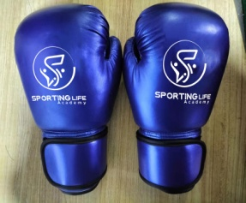 | Microfiber PU | blue | 6OZ | KWD10.00 | back of hand and wrist printing white
 |  |  |  | 8OZ | KWD10.00
 |  |  |  | 10OZ | KWD10.00
 |  |  |  | 12OZ | KWD12.00
 |  |  |  | 14OZ | KWD12.00
 |  |  |  | 16OZ | KWD12.00
boxing gloves |  | Microfiber PU | red | 6OZ | KWD10.00 | back of hand and wrist printing white
 |  |  |  | 8OZ | KWD10.00
 |  |  |  | 10OZ | KWD10.00
 |  |  |  | 12OZ | KWD12.00
 |  |  |  | 14OZ | KWD12.00
 |  |  |  | 16OZ | KWD12.00
boxing gloves | 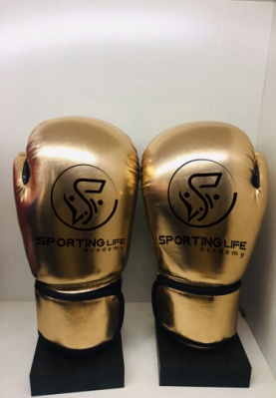 | Microfiber PU | gold | 6OZ | KWD10.00 | back of hand and wrist printing black
 |  |  |  | 8OZ | KWD10.00
 |  |  |  | 10OZ | KWD10.00
 |  |  |  | 12OZ | KWD12.00
 |  |  |  | 14OZ | KWD12.00
 |  |  |  | 16OZ | KWD12.00
hand wraps | 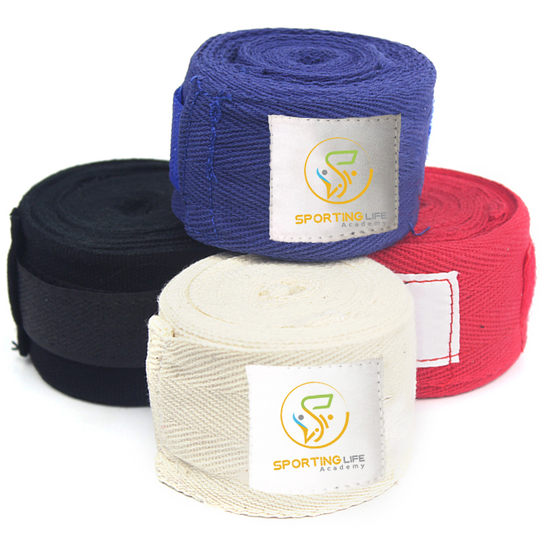 | good cooton with elastic | red | 3M | KWD4.00 | woven white ground , color logo
 |  |  |  | 5M | KWD5.00
 |  |  | black | 3M | KWD4.00 | woven white ground , color logo
 |  |  |  | 5M | KWD5.00
 |  |  | blue | 3M | KWD4.00 | woven white ground , color logo
 |  |  |  | 5M | KWD5.00
 swimimg gogles |  |  | red |  | KWD5.00 | woven white ground , color logo
 |  |  |  |  | KWD5.00
 |  |  | black |  | KWD5.00 | woven white ground , color logo

 |  |  | blue |  | KWD5.00 | woven white ground , color logo

swimimg gogles | 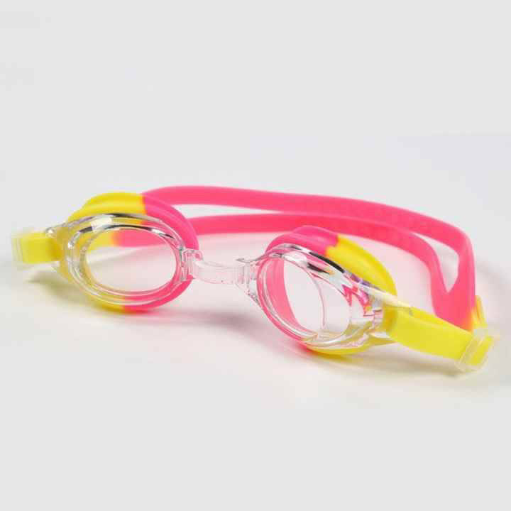 |  | red |  | KWD3.00
 |  |  |  |  | KWD3.00
 |  |  | black |  | KWD3.00

 |  |  | blue |  | KWD3.00

كساره قدم |  |  | red |  | KWD2.00
 |  |  |  |  | KWD2.00
 |  |  | black |  | KWD2.00

 |  |  | blue |  | KWD2.00

caps | 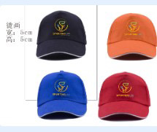 |  | red |  | KWD5.00
 |  |  |  |  | KWD5.00
 |  |  | black |  | KWD5.00

 |  |  | blue |  | KWD5.00

swimimg shorts |  |  | red |  | KWD8.00
 |  |  |  |  | KWD8.00
 |  |  | black |  | KWD8.00

 |  |  | blue |  | KWD8.00

swimimg shorts |  |  |  |  | KWD8.00
 |  |  |  |  | KWD8.00
 |  |  |  |  | KWD8.00

 |  |  |  |  | KWD8.00

